TABLA 7 SEG
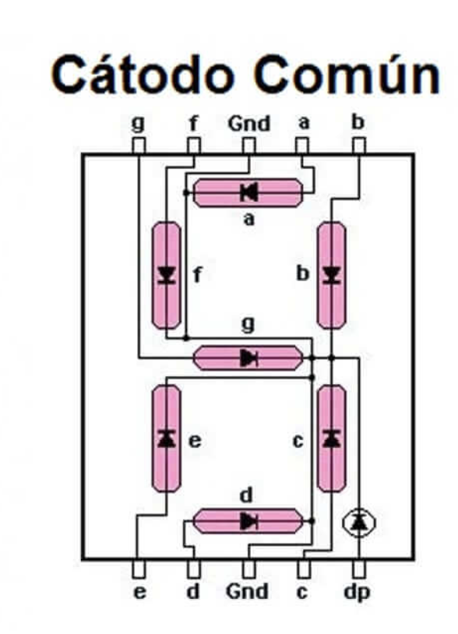
MOSTRAR | A | B | C | D | E | F | G | BINARIO | HEX
0 | 1 | 1 | 1 | 1 | 1 | 1 | 0 | 01111110 | 0x7E
1 | 0 | 1 | 1 | 0 | 0 | 0 | 0 | 00110000 | 0x30
2 | 1 | 1 | 0 | 1 | 1 | 0 | 1 | 01101101 | 0x6D
3 | 1 | 1 | 1 | 1 | 0 | 0 | 1 | 01111001 | 0x79
4 | 0 | 1 | 1 | 0 | 0 | 1 | 1 | 00110011 | 0x33
5 | 1 | 0 | 1 | 1 | 0 | 1 | 1 | 01011011 | 0x5B
6 | 1 | 0 | 1 | 1 | 1 | 1 | 1 | 01011111 | 0x5F
7 | 1 | 1 | 1 | 0 | 0 | 0 | 0 | 01110000 | 0x70
8 | 1 | 1 | 1 | 1 | 1 | 1 | 1 | 01111111 | 0x7F
9 | 1 | 1 | 1 | 1 | 0 | 1 | 1 | 01111011 | 0x7B
A | 1 | 1 | 1 | 0 | 1 | 1 | 1 | 01110111 | 0x77
B | 0 | 0 | 1 | 1 | 1 | 1 | 1 | 00011111 | 0x1F
C | 1 | 0 | 0 | 1 | 1 | 1 | 0 | 01001110 | 0x4E
D | 0 | 1 | 1 | 1 | 1 | 0 | 1 | 00111101 | 0x3D
E | 1 | 0 | 0 | 1 | 1 | 1 | 1 | 01001111 | 0x4F
F | 1 | 0 | 0 | 0 | 1 | 1 | 1 | 01000111 | 0x47

